FPA geometry
Noise-Equivalent Temperature Difference with TDI
 | 3.98 microns |  | 7.35 microns |  | 8.28 microns |  | 8.63 microns |  | 9.07 microns |  | 10.53 microns |  | 11.33 microns |  | 12.05 microns
200 | 0.0043554790187 | 200 | 1.4458177414 | 200 | 0.63043962157 | 200 | 0.53485519234 | 200 | 0.52738921716 | 200 | 0.30952377224 | 200 | 0.26159715341 | 200 | 0.25231638974
210 | 0.01029992318 | 210 | 1.0080478393 | 210 | 0.46304620151 | 210 | 0.39963574093 | 210 | 0.4011966456 | 210 | 0.25019443779 | 210 | 0.21494039997 | 210 | 0.21146855509
220 | 0.022524270978 | 220 | 0.73028848421 | 220 | 0.35182742024 | 220 | 0.30848569963 | 220 | 0.31465516772 | 220 | 0.2078796689 | 220 | 0.18090051989 | 220 | 0.18127886709
230 | 0.046017022049 | 230 | 0.54724473832 | 230 | 0.27541586437 | 230 | 0.24504524823 | 230 | 0.25346764588 | 230 | 0.1769606602 | 230 | 0.15547302638 | 230 | 0.15847767232
240 | 0.088579023832 | 240 | 0.42258978786 | 240 | 0.22137400831 | 240 | 0.19965245928 | 240 | 0.20904919228 | 240 | 0.15390600474 | 240 | 0.13609098252 | 240 | 0.14093576347
250 | 0.16180447249 | 250 | 0.33524070658 | 250 | 0.18217796433 | 250 | 0.16638421999 | 250 | 0.17605661006 | 250 | 0.13642358139 | 250 | 0.12105814001 | 250 | 0.12722566185
260 | 0.28217772641 | 260 | 0.27249483632 | 260 | 0.15311812338 | 260 | 0.14148727444 | 260 | 0.15105675262 | 260 | 0.12298235867 | 260 | 0.10922291871 | 260 | 0.11636530018
270 | 0.47224124564 | 270 | 0.22643912988 | 270 | 0.13115533437 | 270 | 0.12251210806 | 270 | 0.13178020332 | 270 | 0.1125330561 | 270 | 0.099784438367 | 270 | 0.10766329666
280 | 0.76178253672 | 280 | 0.19199471447 | 280 | 0.11427419684 | 280 | 0.10781728694 | 280 | 0.11668815316 | 280 | 0.1043397198 | 280 | 0.092173557101 | 280 | 0.10062277204
290 | 1.1889855277 | 290 | 0.16581291528 | 290 | 0.10110506024 | 290 | 0.096276471198 | 290 | 0.10471304063 | 290 | 0.097875242207 | 290 | 0.085977886255 | 290 | 0.094879958018
300 | 1.8014939739 | 300 | 0.14563143058 | 300 | 0.090696353573 | 300 | 0.087100092368 | 300 | 0.09509878367 | 300 | 0.092754863852 | 300 | 0.080893337532 | 300 | 0.090164055657
310 | 2.6573404569 | 310 | 0.12988768256 | 310 | 0.08237367491 | 310 | 0.079723897648 | 310 | 0.087299803661 | 310 | 0.088692851021 | 310 | 0.076692102724 | 310 | 0.086270407305
320 | 3.8257031852 | 320 | 0.11748035186 | 320 | 0.075650384161 | 320 | 0.073737578561 | 320 | 0.08091569452 | 320 | 0.085473664509 | 320 | 0.073201048045 | 320 | 0.08304221484
330 | 5.3874629911 | 330 | 0.10761869902 | 330 | 0.070169567266 | 330 | 0.068838039393 | 330 | 0.0756480374 | 330 | 0.082932395615 | 330 | 0.070286857591 | 330 | 0.080357841791
340 | 7.4355436018 | 340 | 0.099725228136 | 340 | 0.065665566679 | 340 | 0.064798165735 | 340 | 0.071271287126 | 340 | 0.080941244408 | 340 | 0.067845646846 | 340 | 0.078121846329
350 | 10.075028576 | 350 | 0.093371524692 | 350 | 0.061937982255 | 350 | 0.061445555113 | 350 | 0.06761278465 | 350 | 0.07940001487 | 350 | 0.065795575518 | 350 | 0.076258556168
360 | 13.423057629 | 360 | 0.088235166541 | 360 | 0.058833783713 | 360 | 0.05864777758 | 360 | 0.064538802738 | 360 | 0.078229333462 | 360 | 0.064071517494 | 360 | 0.074707394352
370 | 17.608512996 | 370 | 0.084070285135 | 370 | 0.056234799895 | 370 | 0.056301996746 | 370 | 0.061944651285 | 370 | 0.077365731017 | 370 | 0.062621166675 | 370 | 0.073419430998
380 | 22.771512801 | 380 | 0.080687128676 | 380 | 0.054048834528 | 380 | 0.054327552882 | 380 | 0.059747558894 | 380 | 0.076758026649 | 380 | 0.061402152024 | 380 | 0.072354836309
390 | 29.062733062 | 390 | 0.077937657458 | 390 | 0.052203268862 | 390 | 0.052660590594 | 390 | 0.057881486886 | 390 | 0.076364637447 | 390 | 0.060379873532 | 390 | 0.071480914344
400 | 36.642583057 | 400 | 0.075705244261 | 400 | 0.050640395756 | 400 | 0.051250118189 | 400 | 0.056293298351 | 400 | 0.076151548504 | 400 | 0.059525877314 | 400 | 0.070770640749
410 | 45.68026042 | 410 | 0.073897208257 | 410 | 0.049313976404 | 410 | 0.050055087396 | 410 | 0.054939896575 | 410 | 0.076090764729 | 410 | 0.058816596168 | 410 | 0.070201545399
420 | 56.352712764 | 420 | 0.071869670271 | 420 | 0.046925054222 | 420 | 0.047843424684 | 420 | 0.052576679273 | 420 | 0.076256477308 | 420 | 0.057341780867 | 420 | 0.068799410221
440 | 83.341806633 | 440 | 0.070437441807 | 440 | 0.046427131931 | 440 | 0.047475793682 | 440 | 0.051987725633 | 440 | 0.076648153801 | 440 | 0.057403975204 | 440 | 0.069200865233
460 | 119.13755295 | 460 | 0.069136841073 | 460 | 0.045151895038 | 460 | 0.046351992305 | 460 | 0.050677162023 | 460 | 0.077409568401 | 460 | 0.05687772554 | 460 | 0.068938196126
480 | 165.31839205 | 480 | 0.068419027718 | 480 | 0.044246472223 | 480 | 0.045572232231 | 480 | 0.049751645321 | 480 | 0.078412305673 | 480 | 0.0566099123 | 480 | 0.068931167375
500 | 223.47758937 | 500 | 0.068120153629 | 500 | 0.043622476824 | 500 | 0.04505563202 | 500 | 0.04912228496 | 500 | 0.079594570384 | 500 | 0.056544981505 | 500 | 0.069125291023
520 | 295.19022556
540 | 381.98428648
560 | 485.31648726
580 | 606.55302573
600 | 746.95513547
620 | 907.66908715
640 | 1089.7201529
660 | 1294.0099828
680 | 1521.3168244
700 | 1772.2980419
720 | 2047.4944259
740 | 2347.3358431
760 | 2672.1478354
780 | 3022.158837
800 | 3397.5077347
820 | 3798.2515514
840 | 4224.3730776
860 | 4675.7883173
880 | 5152.3536495
900 | 5653.8726446
920 | 6180.1024336
940 | 6730.7597277
960 | 7305.5263226
...
SCA 17201 T5 F5 DS201 IT400 BB 80.5 R1.910

Detector Band | Measured transfer gain (e-/ADU) | Design Capicity (Me-) | Design Capacity Scaled to fit Measurement (e-/ADU) | Assigned Band | Bandwidth (um)
1 | 574.2 | 6.506 | 575.2 | mask | N/A
2 | 550.5 | 6.147 | 543.5 | 1.62mm | 0.3 | 19.5 | 34813
3 | 550.5 | 6.147 | 543.5 | 12.05mm | 0.5 | 21.3 | 480658
4 | 573.5 | 6.506 | 575.2 | 8.28mm | 0.3 | 23.1 | 311498
5 | 574.0 | 6.506 | 575.2 | 8.63mm | 0.4 | 24.9 | 343957
6 | 733.3 | 8.401 | 742.8 | 11.35mm | 0.5 | 26.7 | 617201
7 | 705.5 | 7.939 | 701.9 | 9.07mm | 0.4 | 28.5 | 380163
8 | 656.6 | 7.223 | 638.6 | mask | N/A | N/A
 |  |  | * Signal is defined at 16 W/m^2/um/sr for 1.6um band

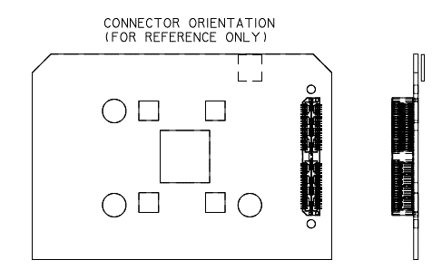

Orientation with respect to FPA board.

Data
Predicted Y | Real X | Real Y | Distortion | Distortion X | Distortion Y
px | px | px |  | px | px
-128 | -126.0 | -123.4 | -2.75% | 2.0 | 4.6
-128 | -110.2 | -123.7 | -2.76% | 1.8 | 4.3
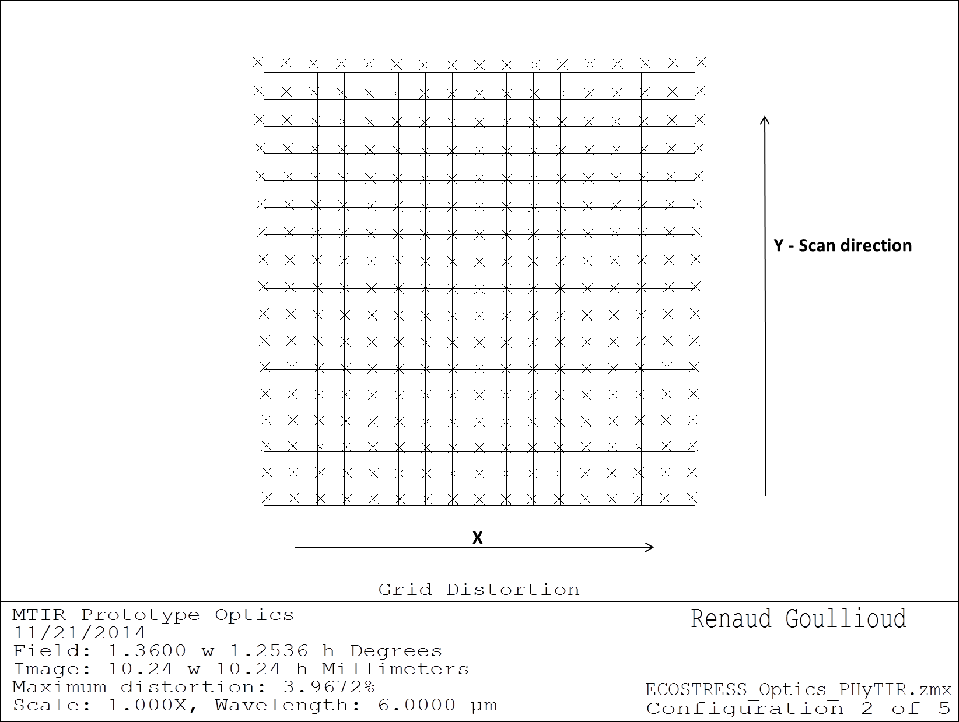
-128 | -94.4 | -123.9 | -2.76% | 1.6 | 4.1
-128 | -78.6 | -124.1 | -2.77% | 1.4 | 3.9
-128 | -62.9 | -124.2 | -2.77% | 1.1 | 3.8
-128 | -47.1 | -124.3 | -2.77% | 0.9 | 3.7
-128 | -31.4 | -124.4 | -2.77% | 0.6 | 3.6
-128 | -15.7 | -124.4 | -2.77% | 0.3 | 3.6
-128 | 0.0 | -124.5 | -2.77% | 0.0 | 3.5
-128 | 15.7 | -124.4 | -2.77% | -0.3 | 3.6
-128 | 31.4 | -124.4 | -2.77% | -0.6 | 3.6
-128 | 47.1 | -124.3 | -2.77% | -0.9 | 3.7
-128 | 62.9 | -124.2 | -2.77% | -1.1 | 3.8
-128 | 78.6 | -124.1 | -2.77% | -1.4 | 3.9
-128 | 94.4 | -123.9 | -2.76% | -1.6 | 4.1
-128 | 110.2 | -123.7 | -2.76% | -1.8 | 4.3
-128 | 126.0 | -123.4 | -2.75% | -2.0 | 4.6
-112 | -126.3 | -108.2 | -2.47% | 1.7 | 3.8
-112 | -110.4 | -108.4 | -2.47% | 1.6 | 3.6
-112 | -94.6 | -108.6 | -2.47% | 1.4 | 3.4
-112 | -78.8 | -108.8 | -2.47% | 1.2 | 3.2
-112 | -63.0 | -109.0 | -2.46% | 1.0 | 3.0
-112 | -47.2 | -109.1 | -2.46% | 0.8 | 2.9
-112 | -31.5 | -109.2 | -2.46% | 0.5 | 2.8
-112 | -15.7 | -109.2 | -2.45% | 0.3 | 2.8
-112 | 0.0 | -109.3 | -2.45% | 0.0 | 2.7
-112 | 15.7 | -109.2 | -2.45% | -0.3 | 2.8
-112 | 31.5 | -109.2 | -2.46% | -0.5 | 2.8
-112 | 47.2 | -109.1 | -2.46% | -0.8 | 2.9
-112 | 63.0 | -109.0 | -2.46% | -1.0 | 3.0
-112 | 78.8 | -108.8 | -2.47% | -1.2 | 3.2
-112 | 94.6 | -108.6 | -2.47% | -1.4 | 3.4
-112 | 110.4 | -108.4 | -2.47% | -1.6 | 3.6
-112 | 126.3 | -108.2 | -2.47% | -1.7 | 3.8
-96 | -126.6 | -92.8 | -2.18% | 1.4 | 3.2
-96 | -110.7 | -93.1 | -2.17% | 1.3 | 2.9
-96 | -94.8 | -93.3 | -2.17% | 1.2 | 2.7
-96 | -79.0 | -93.5 | -2.16% | 1.0 | 2.5
-96 | -63.1 | -93.7 | -2.15% | 0.9 | 2.3
-96 | -47.3 | -93.8 | -2.14% | 0.7 | 2.2
-96 | -31.6 | -93.9 | -2.14% | 0.4 | 2.1
-96 | -15.8 | -93.9 | -2.13% | 0.2 | 2.1
-96 | 0.0 | -94.0 | -2.13% | 0.0 | 2.0
-96 | 15.8 | -93.9 | -2.13% | -0.2 | 2.1
-96 | 31.6 | -93.9 | -2.14% | -0.4 | 2.1
-96 | 47.3 | -93.8 | -2.14% | -0.7 | 2.2
-96 | 63.1 | -93.7 | -2.15% | -0.9 | 2.3
-96 | 79.0 | -93.5 | -2.16% | -1.0 | 2.5
-96 | 94.8 | -93.3 | -2.17% | -1.2 | 2.7
-96 | 110.7 | -93.1 | -2.17% | -1.3 | 2.9
-96 | 126.6 | -92.8 | -2.18% | -1.4 | 3.2
-80 | -126.8 | -77.4 | -1.90% | 1.2 | 2.6
-80 | -110.9 | -77.7 | -1.88% | 1.1 | 2.3
...
Y - Scan direction
...
X
...

Distortion in X
Offset in pixels in the X direction (along the spectral band)
 | Band 7 - Distortion in X | Band 6 - Distortion in X | Band 5 - Distortion in X | Band 4 - Distortion in X | Band 3 - Distortion in X | Band 2 - Distortion in X
-128 | -2.2 | -1.5 | -0.7 | 0.0 | 0.6 | 1.2
-112 | -1.9 | -1.2 | -0.6 | 0.0 | 0.6 | 1.1
-96 | -1.5 | -1.0 | -0.4 | 0.1 | 0.6 | 1.0
-80 | -1.2 | -0.8 | -0.3 | 0.1 | 0.5 | 0.9
-64 | -1.0 | -0.6 | -0.2 | 0.1 | 0.4 | 0.7
-48 | -0.7 | -0.4 | -0.1 | 0.1 | 0.3 | 0.6
-32 | -0.5 | -0.3 | -0.1 | 0.1 | 0.2 | 0.4
-16 | -0.2 | -0.1 | 0.0 | 0.0 | 0.1 | 0.2
0 | 0.0 | 0.0 | 0.0 | 0.0 | 0.0 | 0.0
16 | 0.2 | 0.1 | 0.0 | 0.0 | -0.1 | -0.2
32 | 0.5 | 0.3 | 0.1 | -0.1 | -0.2 | -0.4
48 | 0.7 | 0.4 | 0.1 | -0.1 | -0.3 | -0.6
64 | 1.0 | 0.6 | 0.2 | -0.1 | -0.4 | -0.7
80 | 1.2 | 0.8 | 0.3 | -0.1 | -0.5 | -0.9
96 | 1.5 | 1.0 | 0.4 | -0.1 | -0.6 | -1.0
112 | 1.9 | 1.2 | 0.6 | 0.0 | -0.6 | -1.1
128 | 2.2 | 1.5 | 0.7 | 0.0 | -0.6 | -1.2

Distortion in Y
Offset in pixels in the Y direction (in the scan direction)
 | Band 7 - Distortion in Y | Band 6 - Distortion in Y | Band 5 - Distortion in Y | Band 4 - Distortion in Y | Band 3 - Distortion in Y | Band 2 - Distortion in Y
-128 | 3.4 | 2.2 | 1.6 | 1.4 | 1.8 | 2.6
-112 | 3.0 | 1.8 | 1.2 | 1.1 | 1.5 | 2.3
-96 | 2.6 | 1.5 | 0.9 | 0.8 | 1.3 | 2.1
-80 | 2.3 | 1.2 | 0.6 | 0.6 | 1.0 | 1.9
-64 | 2.1 | 1.0 | 0.4 | 0.4 | 0.9 | 1.7
-48 | 1.9 | 0.8 | 0.3 | 0.3 | 0.7 | 1.6
-32 | 1.8 | 0.7 | 0.2 | 0.1 | 0.6 | 1.5
-16 | 1.7 | 0.6 | 0.1 | 0.1 | 0.6 | 1.5
0 | 1.6 | 0.6 | 0.1 | 0.1 | 0.5 | 1.4
16 | 1.7 | 0.6 | 0.1 | 0.1 | 0.6 | 1.5
32 | 1.8 | 0.7 | 0.2 | 0.1 | 0.6 | 1.5
48 | 1.9 | 0.8 | 0.3 | 0.3 | 0.7 | 1.6
64 | 2.1 | 1.0 | 0.4 | 0.4 | 0.9 | 1.7
80 | 2.3 | 1.2 | 0.6 | 0.6 | 1.0 | 1.9
96 | 2.6 | 1.5 | 0.9 | 0.8 | 1.3 | 2.1
112 | 3.0 | 1.8 | 1.2 | 1.1 | 1.5 | 2.3
128 | 3.4 | 2.2 | 1.6 | 1.4 | 1.8 | 2.6

Residual pixel offset
...
Predicted X | Predicted Y | Distortion X | Distortion Y | offset | Distortion delta-X from band to band | offset | Distortion delta-Y from band to band | Distortion delta X | Distortion delta Y
16 | -128 | -0.3 | 3.6
32 | -128 | -0.6 | 3.6
48 | -128 | -0.9 | 3.7
64 | -128 | -1.1 | 3.8
80 | -128 | -1.4 | 3.9
96 | -128 | -1.6 | 4.1
112 | -128 | -1.8 | 4.3
128 | -128 | -2.0 | 4.6
-128 | -112 | 1.7 | 3.8
-112 | -112 | 1.6 | 3.6
Resample the data in the X (cross-scan) direction, in each spectral band, to align each column to the nearest column using band 4 as the reference.
Calculate the residual offset in X relative to band 4.
-96 | -112 | 1.4 | 3.4
-80 | -112 | 1.2 | 3.2
-64 | -112 | 1.0 | 3.0
-48 | -112 | 0.8 | 2.9
-32 | -112 | 0.5 | 2.8
-16 | -112 | 0.3 | 2.8
0 | -112 | 0.0 | 2.7
16 | -112 | -0.3 | 2.8
32 | -112 | -0.5 | 2.8
48 | -112 | -0.8 | 2.9
64 | -112 | -1.0 | 3.0
80 | -112 | -1.2 | 3.2
Offset the data in the Y (scan) direction, for the entire spectral band by extra one pixel delay in the TDI using band 4 as the reference.
Calculate the residual offset in Y relative to band 4.
96 | -112 | -1.4 | 3.4
112 | -112 | -1.6 | 3.6
128 | -112 | -1.7 | 3.8
-128 | -96 | 1.4 | 3.2
-112 | -96 | 1.3 | 2.9
-96 | -96 | 1.2 | 2.7
-80 | -96 | 1.0 | 2.5
-64 | -96 | 0.9 | 2.3
-48 | -96 | 0.7 | 2.2
 |  |  | 2.1
 |  |  | 2.1
 |  |  | 2.0
 |  |  | 2.1
 |  |  | 2.1
 |  |  | 2.2
 |  |  | 2.3
 |  |  | 2.5
 |  |  | 2.7
 |  |  | 2.9
...

Residual offset in X
Residual offset in pixels in the X direction (along the spectral band) after resampling
 | Band 7 - Distortion in X | Band 6 - Distortion in X | Band 5 - Distortion in X | Band 4 - Distortion in X | Band 3 - Distortion in X | Band 2 - Distortion in X
-128 | -0.19 | -0.41 | 0.32 | 0.00 | -0.37 | 0.22
-112 | 0.09 | -0.23 | 0.41 | 0.00 | -0.45 | 0.06
-96 | 0.36 | -0.05 | 0.49 | 0.00 | 0.47 | -0.09
-80 | -0.36 | 0.12 | -0.42 | 0.00 | 0.39 | -0.24
-64 | -0.09 | 0.30 | -0.34 | 0.00 | 0.31 | -0.39
-48 | 0.18 | 0.47 | -0.25 | 0.00 | 0.24 | 0.45
-32 | 0.46 | -0.35 | -0.17 | 0.00 | 0.16 | 0.30
-16 | -0.27 | -0.18 | -0.08 | 0.00 | 0.08 | 0.15
0 | 0.00 | 0.00 | 0.00 | 0.00 | 0.00 | 0.00
16 | 0.27 | 0.18 | 0.08 | 0.00 | -0.08 | -0.15
32 | -0.46 | 0.35 | 0.17 | 0.00 | -0.16 | -0.30
48 | -0.18 | -0.47 | 0.25 | 0.00 | -0.24 | -0.45
64 | 0.09 | -0.30 | 0.34 | 0.00 | -0.31 | 0.39
80 | 0.36 | -0.12 | 0.42 | 0.00 | -0.39 | 0.24
96 | -0.36 | 0.05 | -0.49 | 0.00 | -0.47 | 0.09
112 | -0.09 | 0.23 | -0.41 | 0.00 | 0.45 | -0.06
128 | 0.19 | 0.41 | -0.32 | 0.00 | 0.37 | -0.22

Residual offset in Y
Residual offset in pixels in the Y direction (in the scan direction) after TDI offset
 | Band 7 - Distortion in Y | Band 6 - Distortion in Y | Band 5 - Distortion in Y | Band 4 - Distortion in Y | Band 3 - Distortion in Y | Band 2 - Distortion in Y
-128 | 0.91 | 0.73 | 0.11 | 0.00 | 0.37 | 0.18
-112 | 0.83 | 0.68 | 0.08 | 0.00 | 0.39 | 0.23
-96 | 0.77 | 0.64 | 0.06 | 0.00 | 0.41 | 0.27
-80 | 0.71 | 0.60 | 0.04 | 0.00 | 0.43 | 0.30
-64 | 0.66 | 0.57 | 0.03 | 0.00 | 0.45 | 0.33
-48 | 0.63 | 0.55 | 0.02 | 0.00 | 0.46 | 0.35
-32 | 0.60 | 0.53 | 0.01 | 0.00 | 0.47 | 0.37
-16 | 0.59 | 0.52 | 0.00 | 0.00 | 0.47 | 0.38
0 | 0.58 | 0.52 | 0.00 | 0.00 | 0.47 | 0.38
16 | 0.59 | 0.52 | 0.00 | 0.00 | 0.47 | 0.38
32 | 0.60 | 0.53 | 0.01 | 0.00 | 0.47 | 0.37
48 | 0.63 | 0.55 | 0.02 | 0.00 | 0.46 | 0.35
64 | 0.66 | 0.57 | 0.03 | 0.00 | 0.45 | 0.33
80 | 0.71 | 0.60 | 0.04 | 0.00 | 0.43 | 0.30
96 | 0.77 | 0.64 | 0.06 | 0.00 | 0.41 | 0.27
112 | 0.83 | 0.68 | 0.08 | 0.00 | 0.39 | 0.23
128 | 0.91 | 0.73 | 0.11 | 0.00 | 0.37 | 0.18

